Sheet1
 |  | Document No. | Issue No. | Issue Date |  | Review and Replace Date |  | Authorised By
 |  | GFF244MC | 1 | 12.11.2020 |  | New Issue |  | Magda Shah
 |  | Document Title | VEGETABLE BHUNA 1250G
Document amendments reason for change |  | New launch |  |  | Page 1 of 1 | Previous Issue Date | New Issue | Uncontrolled copy unless signed original

CVBH-B1BEB | BOOTHS - DELI |  | VEGETABLE BHUNA 1250G | CHILLED
STEP 1 |  |  |  |  | STEP 2
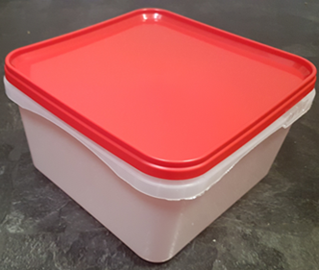 |  |  |  |  | 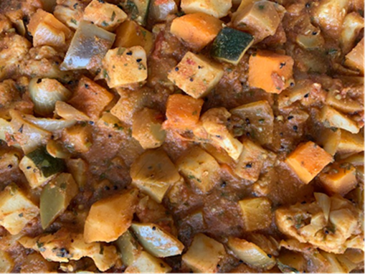

Tray/Lid: SALAD TUB RED LID NATURAL 2.4/4 LTR (PKSHA002-02) |  |  |  |  | Vegetable Bhuna (GFF337R) 1250g

STEP 3 |  |  |  |  | STEP 4
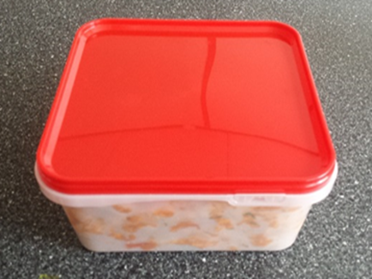

COOK DAY
+ 10 DAYS

TOTAL WEIGHT: 1250g

ALLERGY ALERT: Barley, Mustard

